Script
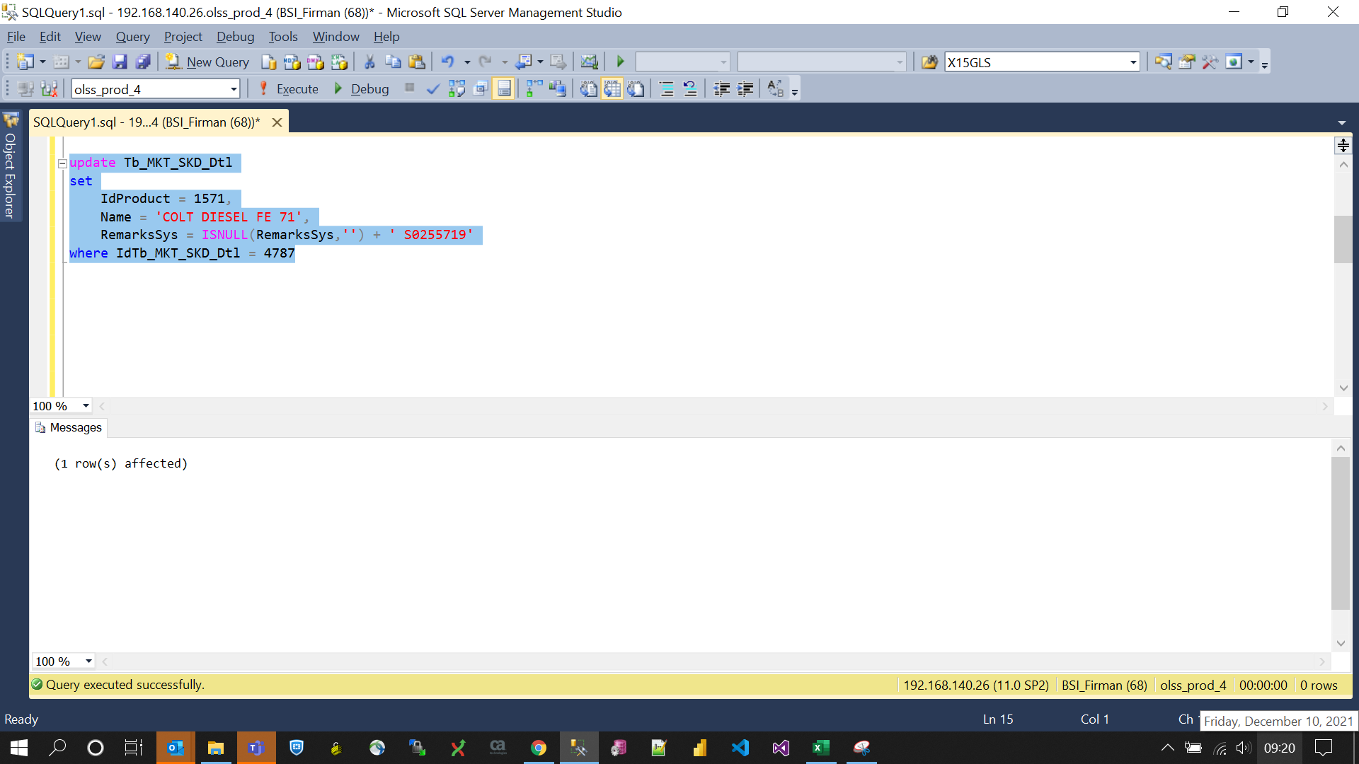
update Tb_MKT_SKD_Dtl
set
 | IdProduct = 1571,
 | Name = 'COLT DIESEL FE 71',
 | RemarksSys = ISNULL(RemarksSys,'') + ' S0255719'
where IdTb_MKT_SKD_Dtl = 4787

Screenshot
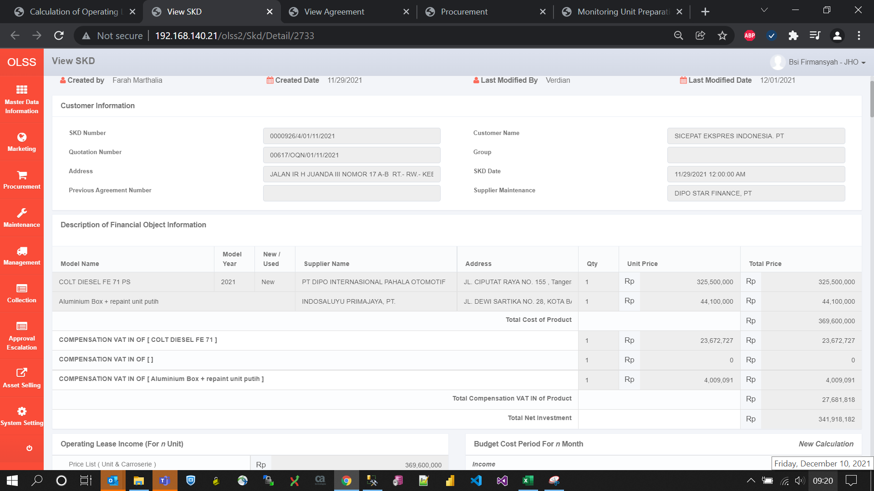
BEFORE
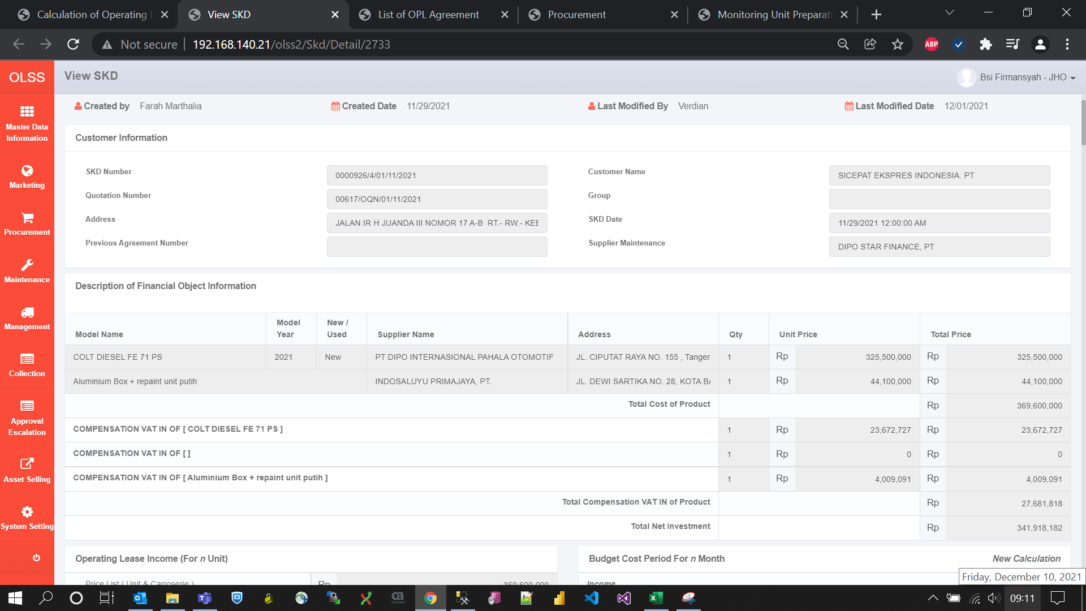

AFTER

